Tabelle1
l = left, r = right; m = mid |  |  | are static markers, only worn during calibration in N-pose
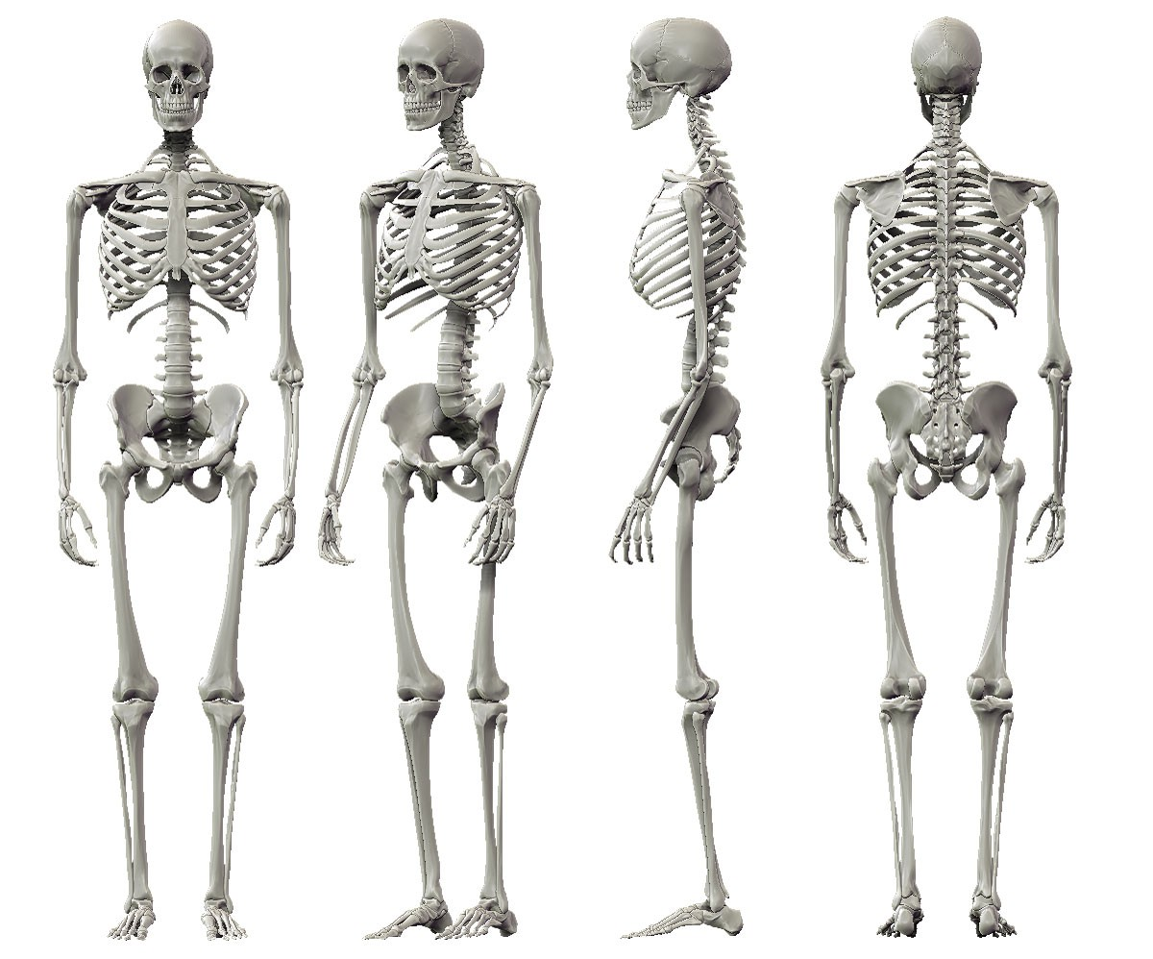
lf_hd
rf_hd
m_ster1
m_ster2
m_ster3
l_elbl
l_asis
l_frm
l_wrr
l_hand
l_sho
l_ua
l_th1
l_th4
l_st_fem
l_st_fel
l_sk1
l_sk4
l_st_mm
l_ank
l_toe
l_sk2
l_sk3
l_th2
l_th3
rb_head
lb_head
r_st_hem
r_psis
r_th2
r_th3
r_sk2
r_sk3
1
2
3
4
1
2
3
4
r_heel
Head
f_hd | front of the head | Located approximately over the left temple
b_head | back of the head | Placed on the back of the head, roughly in a horizontal plane of the front head markers

Torso
ster1 | sternum | placement mid of sternum, just below SC joints
ster2 | sternum | below and to the left of ster1
ster3 | sternum | below and to the right of ster1

Arm
sho | shoulder | Placed on the Acromio-clavicular joint
ua | upper arm | Placed between elbow and shoulder (left closer to elbow, right closer to shoulder)
elbl | elbow | Placed on lateral epicondyle approximating elbow joint axis
st_hem | humerus epicondylus medialis | Placed on top of humerus epicondylus medialis
frm | forearm | Placed between wrist and elbow (left closer to wrist, right closer to elbow)
wrr | wrist, radial side | radial styloid/on IMU
wru | wrist, ulnar side | ulnar styloid/on IMU
hand | dorsal side of hand | Dorsum of the hand just below the head of the second metacarpal

Pelvis
asis | anterior superior iliac spine | placed directly on top of anterior superior iliac spine
psis | posterior superior iliac spine | placed directly on top of posterior superior iliac spine

Leg
th | thigh | marker cluster on mid, lateral side of thigh
st_fem | femur epicondylus medialis | Placed on the medial epicondyle of the knee
st_fel | femur epicondylus lateralis | Placed on the lateral epicondyle of the knee
sk | shank | marker cluster on lateral side of shank, elastic band just proximal of muscle belly
st_mm | malleolus medialis | placed on top of malleolus medialis
ank | ankle | placed on top of malleolus lateralis
heel | heel | Placed on the calcaneous at the same height above the plantar surface of the foot as the toe marker
toe | toe | Placed on top of the toes, mid front of the shoe, align marker with end of shoe

 | IMU placement
 | The participants will always wear 15 IMUs. If they are wearing shorts with pockets, we will place an additional IMU in the pocket
left ankle | object sensor 1
right ankle | object sensor 2
pocket | object sensor 3
+ 1 IMU in the pocket of their shorts (if they have pockets)
head
sternum
thigh
shank
ankle
feet
Lower back
upper arm
wrist
x
y
z

